Q #20
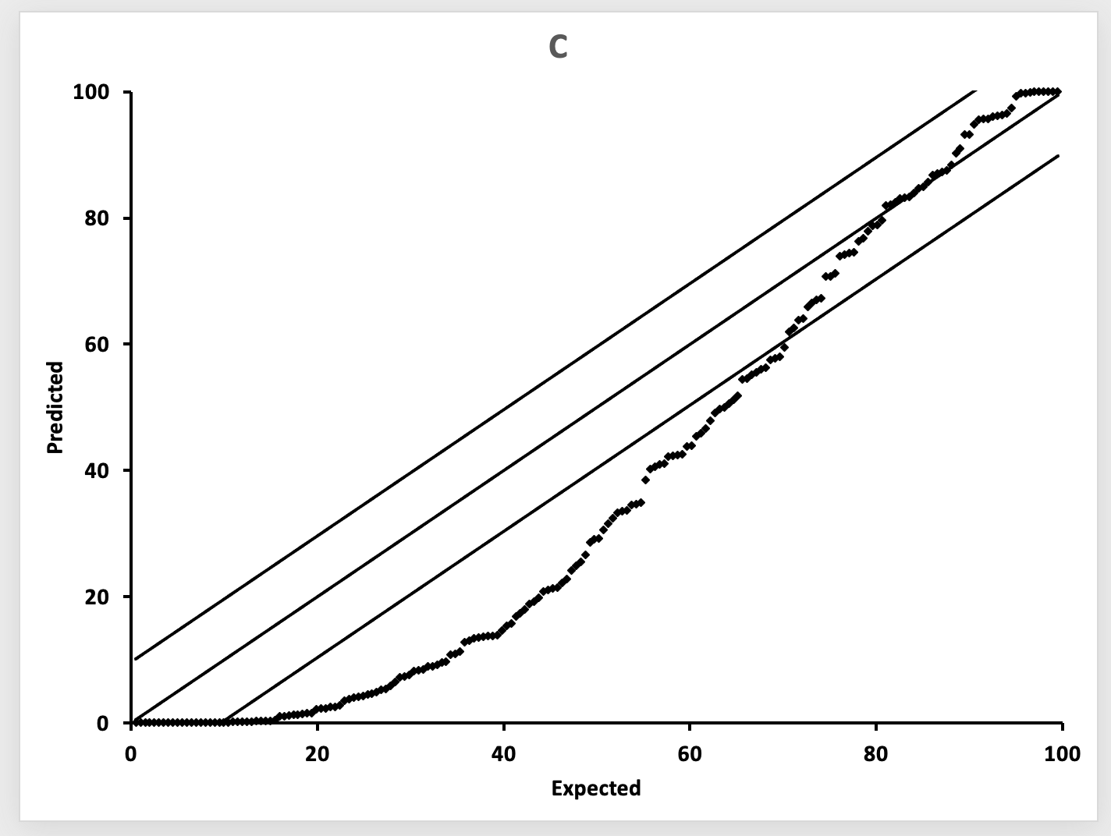
RF Meyers - 20 |  |  |  |  | Solution >

 | Match the conclusion of the model reputation to the correct p-p plot:

Light Tailed
 |  | Plot A | Drag the correct box from the right to this box

Heavy Tailed
 |  | Plot B | Drag the correct box from the right to this box

Biased High
 |  | Plot C | Drag the correct box from the right to this box

 |  | Plot A |  | Plot B

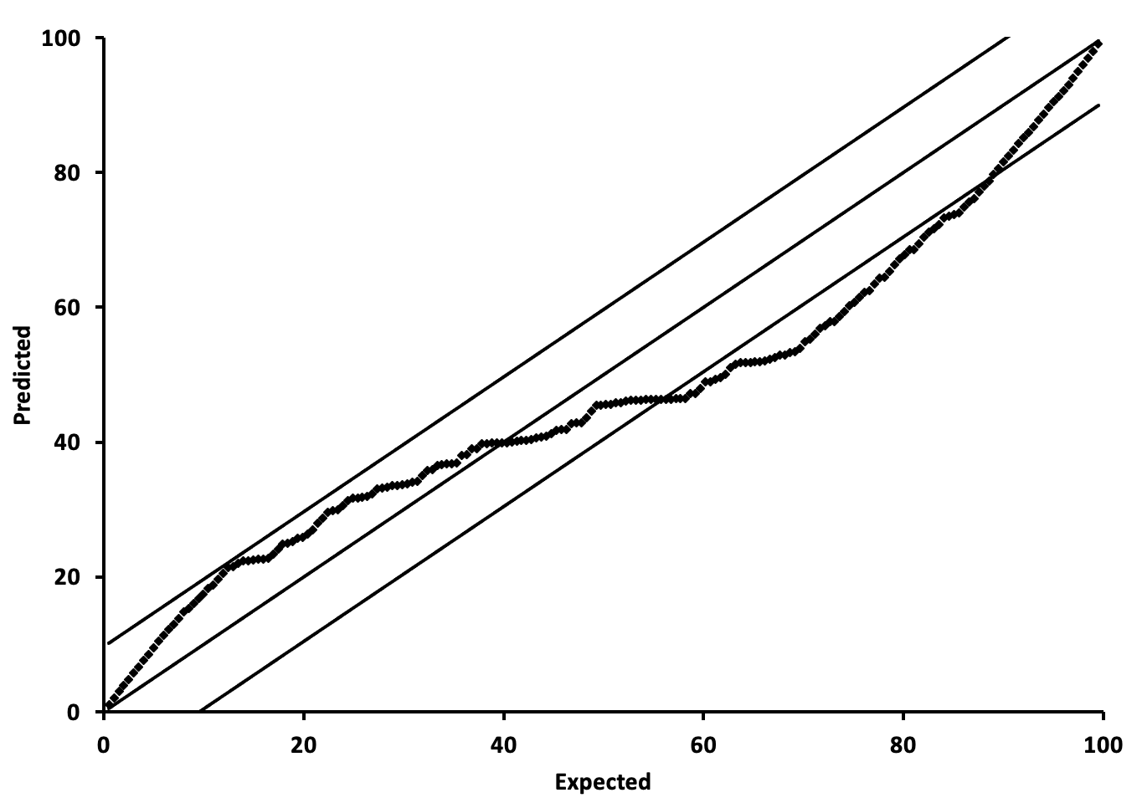
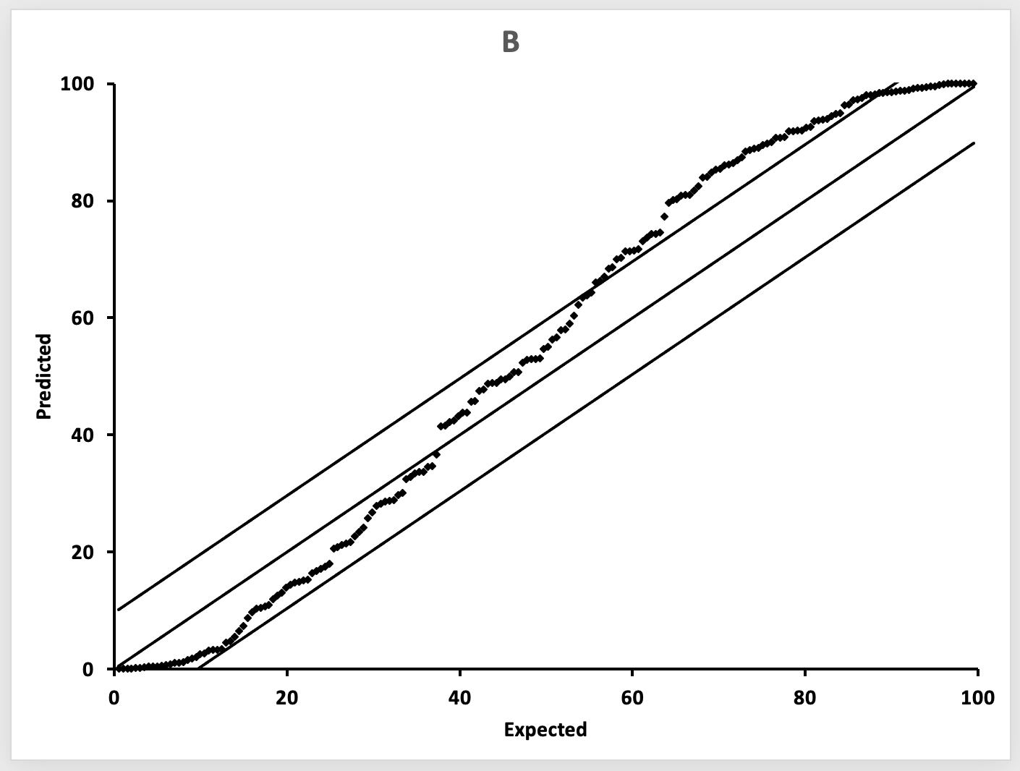

 |  | Plot C

2017 #13
 | Source: | Spring 2017 | Exam 7 | Q #13 | Modified Problem | Solution ->
 | Points: | 3.00

 |  | A stochastic loss reserving model estimates that ultimate losses have an expected value of
 |  | $70 million with a 90% confidence interval from $60 million to $84 million.

a. | 1 point | Assume the following histogram was produced during model validation:
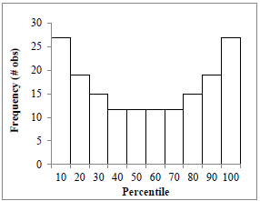

 |  | Describe what is implied by the histogram about the accuracy of the expected value and
 |  | the size of the confidence interval.

b. | 1 point | The following p-p plot was produced during model validation:
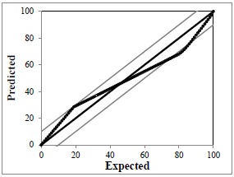

 |  | Describe what is implied by the plot about the accuracy of the expected value and the
 |  | size of the confidence interval.

c. | 1 point | Assume the following histogram was produced during model validation:
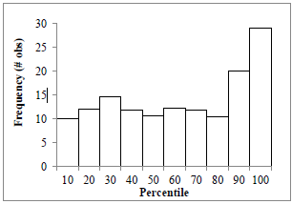

 |  | Describe what is implied by the histogram about the accuracy of the expected value and
 |  | the size of the confidence interval.

SHOW ALL WORK.

